trans-1,2-dichloroethene
 | intensity
399.68 | 0.00
400.16 | 0.00
400.65 | 0.00
401.13 | -0.01
401.61 | -0.01
402.09 | -0.01
402.57 | 0.00
403.06 | 0.00
403.54 | -0.01
404.02 | -0.01
404.50 | -0.01
404.98 | -0.01
405.47 | -0.01
405.95 | -0.01
406.43 | -0.02
406.91 | -0.02
407.40 | -0.01
407.88 | -0.01
408.36 | -0.01
408.84 | -0.01
409.32 | -0.01
409.81 | -0.01
410.29 | 0.00
410.77 | 0.00
411.25 | 0.00
411.73 | 0.00
412.22 | 0.00
412.70 | 0.00
413.18 | 0.01
413.66 | 0.01
414.15 | 0.01
414.63 | 0.01
415.11 | 0.02
415.59 | 0.02
416.07 | 0.02
416.56 | 0.02
417.04 | 0.02
417.52 | 0.02
418.00 | 0.02
418.48 | 0.01
418.97 | 0.01
419.45 | 0.01
419.93 | 0.01
420.41 | 0.01
420.89 | 0.01
421.38 | 0.01
421.86 | 0.01
422.34 | 0.01
422.82 | 0.01
423.31 | 0.01
...
cm-1 | intensity | Nicolet™ iS50 FTIR Spectrometer
399.68 | 0.00
400.16 | 0.00
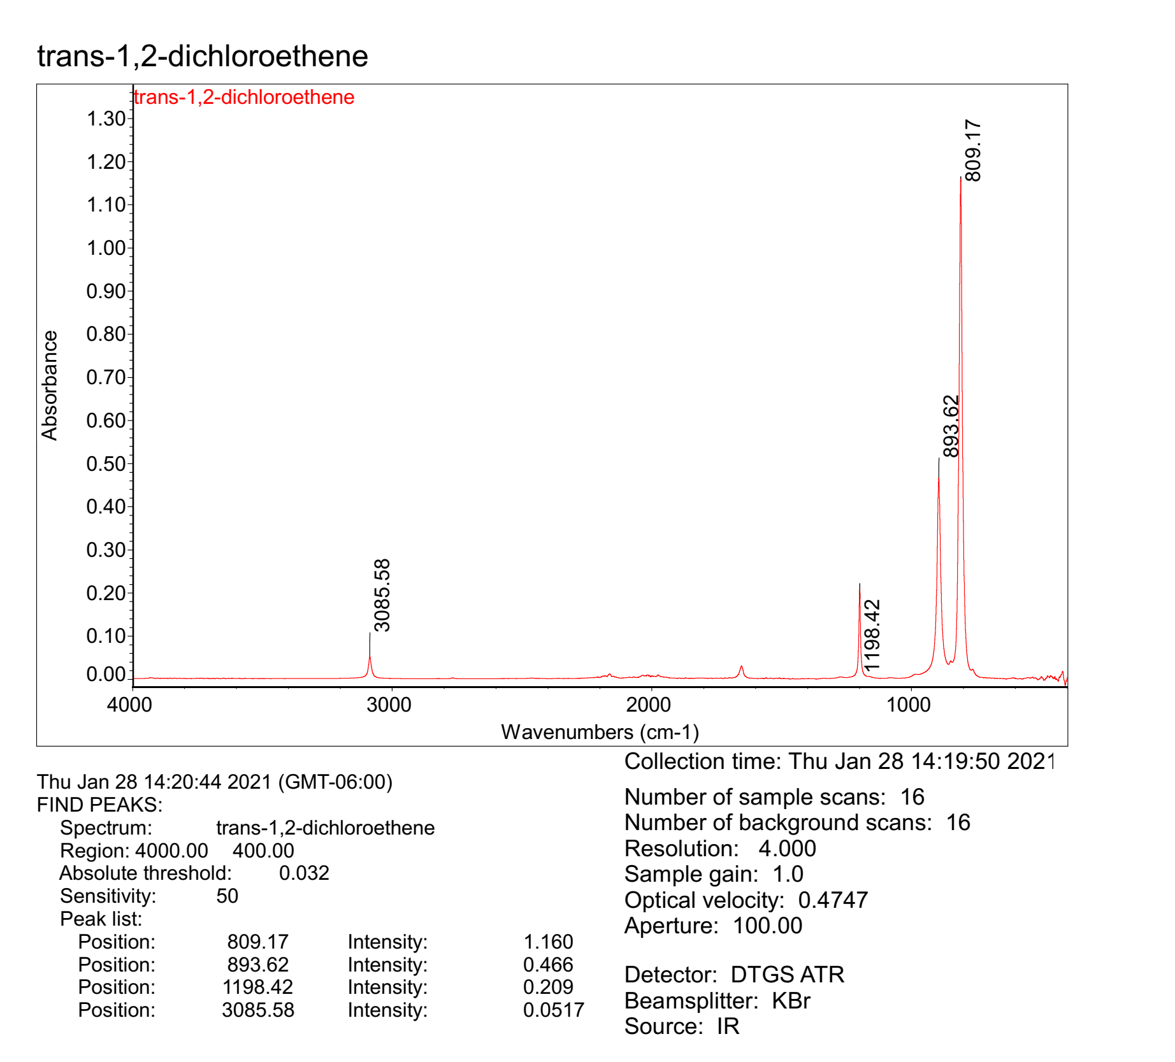
400.65 | 0.00
401.13 | -0.01
401.61 | -0.01
402.09 | -0.01
402.57 | 0.00
403.06 | 0.00
403.54 | -0.01
404.02 | -0.01
404.50 | -0.01
404.98 | -0.01
405.47 | -0.01
405.95 | -0.01
406.43 | -0.02
406.91 | -0.02
407.40 | -0.01
407.88 | -0.01
408.36 | -0.01
408.84 | -0.01
409.32 | -0.01
409.81 | -0.01
410.29 | 0.00
410.77 | 0.00
411.25 | 0.00
411.73 | 0.00
412.22 | 0.00
412.70 | 0.00
413.18 | 0.01
413.66 | 0.01
414.15 | 0.01
414.63 | 0.01
415.11 | 0.02
415.59 | 0.02
416.07 | 0.02
416.56 | 0.02
417.04 | 0.02
417.52 | 0.02
418.00 | 0.02
418.48 | 0.01
418.97 | 0.01
419.45 | 0.01
419.93 | 0.01
420.41 | 0.01
420.89 | 0.01
421.38 | 0.01
421.86 | 0.01
422.34 | 0.01
422.82 | 0.01
423.31 | 0.01
423.79 | 0.01
424.27 | 0.01
424.75 | 0.01
425.23 | 0.00
425.72 | 0.00
426.20 | 0.00
426.68 | 0.00
427.16 | 0.00
427.64 | 0.00
428.13 | 0.00
428.61 | 0.01
429.09 | 0.01
429.57 | 0.00
430.06 | 0.00
430.54 | 0.00
431.02 | 0.00
431.50 | 0.00
431.98 | 0.00
432.47 | 0.00
432.95 | -0.01
433.43 | -0.01
433.91 | 0.00
434.39 | 0.00
434.88 | 0.00
435.36 | 0.00
435.84 | 0.00
436.32 | 0.00
436.80 | 0.00
437.29 | 0.00
437.77 | 0.00
438.25 | 0.00
438.73 | 0.00
439.22 | 0.00
439.70 | 0.00
440.18 | 0.00
440.66 | 0.00
441.14 | 0.00
441.63 | 0.00
442.11 | 0.00
442.59 | 0.00
443.07 | 0.00
443.55 | 0.00
444.04 | 0.00
444.52 | 0.00
445.00 | 0.00
445.48 | 0.00
445.97 | 0.01
446.45 | 0.01
446.93 | 0.01
447.41 | 0.01
447.89 | 0.00
448.38 | 0.00
448.86 | 0.00
449.34 | 0.00
449.82 | 0.00
450.30 | 0.00
450.79 | 0.00
451.27 | 0.00
451.75 | 0.00
452.23 | 0.00
452.72 | 0.00
453.20 | 0.00
453.68 | 0.00
454.16 | 0.00
454.64 | 0.00
455.13 | 0.00
455.61 | 0.00
456.09 | 0.00
456.57 | 0.00
457.05 | 0.00
457.54 | 0.01
458.02 | 0.01
458.50 | 0.01
458.98 | 0.01
459.46 | 0.01
459.95 | 0.01
460.43 | 0.01
460.91 | 0.01
461.39 | 0.01
461.88 | 0.01
462.36 | 0.01
462.84 | 0.01
463.32 | 0.01
463.80 | 0.01
464.29 | 0.01
464.77 | 0.01
465.25 | 0.00
465.73 | 0.00
466.21 | 0.00
466.70 | 0.00
467.18 | 0.00
467.66 | 0.00
468.14 | 0.00
468.63 | 0.00
469.11 | 0.00
469.59 | 0.01
470.07 | 0.01
470.55 | 0.01
471.04 | 0.01
471.52 | 0.01
472.00 | 0.01
472.48 | 0.01
472.96 | 0.01
473.45 | 0.01
473.93 | 0.01
474.41 | 0.01
474.89 | 0.01
475.37 | 0.01
475.86 | 0.01
476.34 | 0.01
476.82 | 0.00
477.30 | 0.00
477.79 | 0.00
478.27 | 0.00
478.75 | 0.00
479.23 | 0.00
479.71 | 0.00
480.20 | 0.00
480.68 | 0.00
481.16 | 0.00
481.64 | 0.00
482.12 | 0.00
482.61 | 0.00
483.09 | 0.00
483.57 | 0.00
484.05 | 0.00
484.54 | 0.00
485.02 | 0.00
485.50 | 0.00
485.98 | 0.00
486.46 | 0.00
486.95 | 0.00
487.43 | 0.00
487.91 | 0.00
488.39 | 0.00
488.87 | 0.00
489.36 | 0.00
489.84 | 0.00
490.32 | 0.00
490.80 | 0.00
491.29 | 0.00
491.77 | 0.00
492.25 | 0.00
492.73 | 0.00
493.21 | 0.00
493.70 | 0.00
494.18 | 0.00
494.66 | 0.00
495.14 | 0.00
495.62 | 0.00
496.11 | 0.00
496.59 | 0.00
497.07 | 0.00
497.55 | 0.01
498.03 | 0.01
498.52 | 0.01
499.00 | 0.01
499.48 | 0.00
499.96 | 0.00
500.45 | 0.00
500.93 | 0.00
501.41 | 0.00
501.89 | 0.00
502.37 | 0.00
502.86 | 0.00
503.34 | 0.00
503.82 | 0.00
504.30 | 0.00
504.78 | 0.00
505.27 | 0.00
505.75 | 0.00
506.23 | 0.00
506.71 | 0.00
507.20 | 0.00
507.68 | 0.00
508.16 | 0.00
508.64 | 0.00
509.12 | 0.00
509.61 | 0.00
510.09 | 0.00
510.57 | 0.00
511.05 | 0.00
511.53 | 0.00
512.02 | 0.00
512.50 | 0.00
512.98 | 0.00
513.46 | 0.00
513.94 | 0.00
514.43 | 0.00
514.91 | 0.00
515.39 | 0.00
515.87 | 0.00
516.36 | 0.00
516.84 | 0.00
517.32 | 0.00
517.80 | 0.00
518.28 | 0.00
518.77 | 0.00
519.25 | 0.00
519.73 | 0.00
520.21 | 0.00
520.69 | 0.00
521.18 | 0.00
521.66 | 0.00
522.14 | 0.00
522.62 | 0.00
523.11 | 0.00
523.59 | 0.00
524.07 | 0.00
524.55 | 0.00
525.03 | 0.00
525.52 | 0.00
526.00 | 0.00
526.48 | 0.00
526.96 | 0.00
527.44 | 0.00
527.93 | 0.00
528.41 | 0.00
528.89 | 0.00
529.37 | 0.00
529.86 | 0.00
530.34 | 0.00
530.82 | 0.00
531.30 | 0.00
531.78 | 0.00
532.27 | 0.00
532.75 | 0.00
533.23 | 0.00
533.71 | 0.00
534.19 | 0.00
534.68 | 0.00
535.16 | 0.00
535.64 | 0.00
536.12 | 0.00
536.60 | 0.00
537.09 | 0.00
537.57 | 0.00
538.05 | 0.00
538.53 | 0.00
539.02 | 0.00
539.50 | 0.00
539.98 | 0.00
540.46 | 0.00
540.94 | 0.00
541.43 | 0.00
541.91 | 0.00
542.39 | 0.00
542.87 | 0.00
543.35 | 0.00
543.84 | 0.00
544.32 | 0.00
544.80 | 0.00
545.28 | 0.00
545.77 | 0.00
546.25 | 0.00
546.73 | 0.00
547.21 | 0.00
547.69 | 0.00
548.18 | 0.00
548.66 | 0.00
549.14 | 0.00
549.62 | 0.00
550.10 | 0.00
550.59 | 0.00
551.07 | 0.00
551.55 | 0.00
552.03 | 0.00
552.51 | 0.00
553.00 | 0.00
553.48 | 0.00
553.96 | 0.00
554.44 | 0.00
554.93 | 0.00
555.41 | 0.00
555.89 | 0.00
556.37 | 0.00
556.85 | 0.00
557.34 | 0.00
557.82 | 0.00
558.30 | 0.00
558.78 | 0.00
559.26 | 0.00
559.75 | 0.00
560.23 | 0.00
560.71 | 0.00
561.19 | 0.00
561.68 | 0.00
562.16 | 0.00
562.64 | 0.00
563.12 | 0.00
563.60 | 0.00
564.09 | 0.00
564.57 | 0.00
565.05 | 0.00
565.53 | 0.00
566.01 | 0.00
566.50 | 0.00
566.98 | 0.00
567.46 | 0.00
567.94 | 0.00
568.42 | 0.00
568.91 | 0.00
569.39 | 0.00
569.87 | 0.00
570.35 | 0.00
570.84 | 0.00
571.32 | 0.00
571.80 | 0.00
572.28 | 0.00
572.76 | 0.00
573.25 | 0.00
573.73 | 0.00
574.21 | 0.00
574.69 | 0.00
575.17 | 0.00
575.66 | 0.00
576.14 | 0.00
576.62 | 0.00
577.10 | 0.00
577.59 | 0.00
578.07 | 0.00
578.55 | 0.00
579.03 | 0.00
579.51 | 0.00
580.00 | 0.00
580.48 | 0.00
580.96 | 0.00
581.44 | 0.00
581.92 | 0.00
582.41 | 0.00
582.89 | 0.00
583.37 | 0.00
583.85 | 0.00
584.34 | 0.00
584.82 | 0.00
585.30 | 0.00
585.78 | 0.00
586.26 | 0.00
586.75 | 0.00
587.23 | 0.00
587.71 | 0.00
588.19 | 0.00
588.67 | 0.00
589.16 | 0.00
589.64 | 0.00
590.12 | 0.00
590.60 | 0.00
591.08 | 0.00
591.57 | 0.00
592.05 | 0.00
592.53 | 0.00
593.01 | 0.00
593.50 | 0.00
593.98 | 0.00
594.46 | 0.00
594.94 | 0.00
595.42 | 0.00
595.91 | 0.00
596.39 | 0.00
596.87 | 0.00
597.35 | 0.00
597.83 | 0.00
598.32 | 0.00
598.80 | 0.00
599.28 | 0.00
599.76 | 0.00
600.25 | 0.00
600.73 | 0.00
601.21 | 0.00
601.69 | 0.00
602.17 | 0.00
602.66 | 0.00
603.14 | 0.00
603.62 | 0.00
604.10 | 0.00
604.58 | 0.00
605.07 | 0.00
605.55 | 0.00
606.03 | 0.00
606.51 | 0.00
606.99 | 0.00
607.48 | 0.00
607.96 | 0.00
608.44 | 0.00
608.92 | 0.00
609.41 | 0.00
609.89 | 0.00
610.37 | 0.00
610.85 | 0.00
611.33 | 0.00
611.82 | 0.00
612.30 | 0.00
612.78 | 0.00
613.26 | 0.00
613.74 | 0.00
614.23 | 0.00
614.71 | 0.00
615.19 | 0.00
615.67 | 0.00
616.16 | 0.00
616.64 | 0.00
617.12 | 0.00
617.60 | 0.00
618.08 | 0.00
618.57 | 0.00
619.05 | 0.00
619.53 | 0.00
620.01 | 0.00
620.49 | 0.00
620.98 | 0.00
621.46 | 0.00
621.94 | 0.00
622.42 | 0.00
622.91 | 0.00
623.39 | 0.00
623.87 | 0.00
624.35 | 0.00
624.83 | 0.00
625.32 | 0.00
625.80 | 0.00
626.28 | 0.00
626.76 | 0.00
627.24 | 0.00
627.73 | 0.00
628.21 | 0.00
628.69 | 0.00
629.17 | 0.00
629.65 | 0.00
630.14 | 0.00
630.62 | 0.00
631.10 | 0.00
631.58 | 0.00
632.07 | 0.00
632.55 | 0.00
633.03 | 0.00
633.51 | 0.00
633.99 | 0.00
634.48 | 0.00
634.96 | 0.00
635.44 | 0.00
635.92 | 0.00
636.40 | 0.00
636.89 | 0.00
637.37 | 0.00
637.85 | 0.00
638.33 | 0.00
638.82 | 0.00
639.30 | 0.00
639.78 | 0.00
640.26 | 0.00
640.74 | 0.00
641.23 | 0.00
641.71 | 0.00
642.19 | 0.00
642.67 | 0.00
643.15 | 0.00
643.64 | 0.00
644.12 | 0.00
644.60 | 0.00
645.08 | 0.00
645.56 | 0.00
646.05 | 0.00
646.53 | 0.00
647.01 | 0.00
647.49 | 0.00
647.98 | 0.00
648.46 | 0.00
648.94 | 0.00
649.42 | 0.00
649.90 | 0.00
650.39 | 0.00
650.87 | 0.00
651.35 | 0.00
651.83 | 0.00
652.31 | 0.00
652.80 | 0.00
653.28 | 0.00
653.76 | 0.00
654.24 | 0.00
654.73 | 0.00
655.21 | 0.00
655.69 | 0.00
656.17 | 0.00
656.65 | 0.00
657.14 | 0.00
657.62 | 0.00
658.10 | 0.00
658.58 | 0.00
659.06 | 0.00
659.55 | 0.00
660.03 | 0.00
660.51 | 0.00
660.99 | 0.00
661.48 | 0.00
661.96 | 0.00
662.44 | 0.00
662.92 | 0.00
663.40 | 0.00
663.89 | 0.00
664.37 | 0.00
664.85 | 0.00
665.33 | 0.00
665.81 | 0.00
666.30 | 0.00
666.78 | 0.00
667.26 | 0.00
667.74 | 0.00
668.22 | 0.00
668.71 | 0.00
669.19 | 0.00
669.67 | 0.00
670.15 | 0.00
670.64 | 0.00
671.12 | 0.00
671.60 | 0.00
672.08 | 0.00
672.56 | 0.00
673.05 | 0.00
673.53 | 0.00
674.01 | 0.00
674.49 | 0.00
674.97 | 0.00
675.46 | 0.00
675.94 | 0.00
676.42 | 0.00
676.90 | 0.00
677.39 | 0.00
677.87 | 0.00
678.35 | 0.00
678.83 | 0.00
679.31 | 0.00
679.80 | 0.00
680.28 | 0.00
680.76 | 0.00
681.24 | 0.00
681.72 | 0.00
682.21 | 0.00
682.69 | 0.00
683.17 | 0.00
683.65 | 0.00
684.13 | 0.00
684.62 | 0.00
685.10 | 0.00
685.58 | 0.00
686.06 | 0.00
686.55 | 0.00
687.03 | 0.00
687.51 | 0.00
687.99 | 0.00
688.47 | 0.00
688.96 | 0.00
689.44 | 0.00
689.92 | 0.00
690.40 | 0.00
690.88 | 0.00
691.37 | 0.00
691.85 | 0.00
692.33 | 0.00
692.81 | 0.00
693.30 | 0.00
693.78 | 0.00
694.26 | 0.00
694.74 | 0.00
695.22 | 0.00
695.71 | 0.00
696.19 | 0.00
696.67 | 0.00
697.15 | 0.00
697.63 | 0.00
698.12 | 0.00
698.60 | 0.00
699.08 | 0.00
699.56 | 0.00
700.04 | 0.00
700.53 | 0.00
701.01 | 0.00
701.49 | 0.00
701.97 | 0.00
702.46 | 0.00
702.94 | 0.00
703.42 | 0.00
703.90 | 0.00
704.38 | 0.00
704.87 | 0.00
705.35 | 0.00
705.83 | 0.00
706.31 | 0.00
706.79 | 0.00
707.28 | 0.00
707.76 | 0.00
708.24 | 0.00
708.72 | 0.00
709.21 | 0.00
709.69 | 0.00
710.17 | 0.00
710.65 | 0.00
711.13 | 0.00
711.62 | 0.00
712.10 | 0.00
712.58 | 0.00
713.06 | 0.00
713.54 | 0.00
714.03 | 0.00
714.51 | 0.00
714.99 | 0.00
715.47 | 0.00
715.96 | 0.00
716.44 | 0.00
716.92 | 0.00
717.40 | 0.00
717.88 | 0.00
718.37 | 0.00
718.85 | 0.00
719.33 | 0.00
719.81 | 0.00
720.29 | 0.00
720.78 | 0.00
721.26 | 0.00
721.74 | 0.00
722.22 | 0.00
722.70 | 0.00
723.19 | 0.00
723.67 | 0.00
724.15 | 0.00
724.63 | 0.00
725.12 | 0.00
725.60 | 0.00
726.08 | 0.00
726.56 | 0.00
727.04 | 0.00
727.53 | 0.00
728.01 | 0.00
728.49 | 0.00
728.97 | 0.00
729.45 | 0.00
729.94 | 0.00
730.42 | 0.00
730.90 | 0.00
731.38 | 0.00
731.87 | 0.00
732.35 | 0.00
732.83 | 0.00
733.31 | 0.00
733.79 | 0.00
734.28 | 0.00
734.76 | 0.00
735.24 | 0.00
735.72 | 0.00
736.20 | 0.00
736.69 | 0.00
737.17 | 0.00
737.65 | 0.00
738.13 | 0.00
738.61 | 0.00
739.10 | 0.00
739.58 | 0.00
740.06 | 0.00
740.54 | 0.00
741.03 | 0.01
741.51 | 0.01
741.99 | 0.01
742.47 | 0.01
742.95 | 0.01
743.44 | 0.01
743.92 | 0.01
744.40 | 0.01
744.88 | 0.01
745.36 | 0.01
745.85 | 0.01
746.33 | 0.01
746.81 | 0.01
747.29 | 0.01
747.78 | 0.01
748.26 | 0.01
748.74 | 0.01
749.22 | 0.01
749.70 | 0.01
750.19 | 0.01
750.67 | 0.01
751.15 | 0.01
751.63 | 0.01
752.11 | 0.01
752.60 | 0.01
753.08 | 0.01
753.56 | 0.01
754.04 | 0.01
754.53 | 0.01
755.01 | 0.01
755.49 | 0.01
755.97 | 0.01
756.45 | 0.01
756.94 | 0.02
757.42 | 0.02
757.90 | 0.02
758.38 | 0.02
758.86 | 0.02
759.35 | 0.02
759.83 | 0.02
760.31 | 0.02
760.79 | 0.02
761.27 | 0.02
761.76 | 0.02
762.24 | 0.02
762.72 | 0.02
763.20 | 0.02
763.69 | 0.02
764.17 | 0.02
764.65 | 0.02
765.13 | 0.02
765.61 | 0.02
766.10 | 0.02
766.58 | 0.02
767.06 | 0.02
767.54 | 0.02
768.02 | 0.02
768.51 | 0.02
768.99 | 0.02
769.47 | 0.02
769.95 | 0.02
770.44 | 0.02
770.92 | 0.02
771.40 | 0.02
771.88 | 0.02
772.36 | 0.02
772.85 | 0.02
773.33 | 0.02
773.81 | 0.02
774.29 | 0.02
774.77 | 0.02
775.26 | 0.02
775.74 | 0.03
776.22 | 0.03
776.70 | 0.03
777.18 | 0.03
777.67 | 0.03
778.15 | 0.03
778.63 | 0.03
779.11 | 0.03
779.60 | 0.03
780.08 | 0.03
780.56 | 0.04
781.04 | 0.04
781.52 | 0.04
782.01 | 0.04
782.49 | 0.04
782.97 | 0.05
783.45 | 0.05
783.93 | 0.05
784.42 | 0.05
784.90 | 0.06
785.38 | 0.06
785.86 | 0.06
786.35 | 0.07
786.83 | 0.07
787.31 | 0.07
787.79 | 0.08
788.27 | 0.08
788.76 | 0.09
789.24 | 0.09
789.72 | 0.10
790.20 | 0.11
790.68 | 0.11
791.17 | 0.12
791.65 | 0.13
792.13 | 0.14
792.61 | 0.15
793.10 | 0.16
793.58 | 0.17
794.06 | 0.18
794.54 | 0.19
795.02 | 0.21
795.51 | 0.22
795.99 | 0.24
796.47 | 0.26
796.95 | 0.28
797.43 | 0.30
797.92 | 0.32
798.40 | 0.34
798.88 | 0.37
799.36 | 0.39
799.84 | 0.42
800.33 | 0.45
800.81 | 0.48
801.29 | 0.51
801.77 | 0.55
802.26 | 0.58
802.74 | 0.62
803.22 | 0.67
803.70 | 0.71
804.18 | 0.76
804.67 | 0.80
805.15 | 0.85
805.63 | 0.91
806.11 | 0.96
806.59 | 1.01
807.08 | 1.06
807.56 | 1.10
808.04 | 1.13
808.52 | 1.15
809.01 | 1.16
809.49 | 1.16
809.97 | 1.15
810.45 | 1.12
810.93 | 1.09
811.42 | 1.06
811.90 | 1.01
812.38 | 0.96
812.86 | 0.92
813.34 | 0.87
813.83 | 0.82
814.31 | 0.78
814.79 | 0.73
815.27 | 0.69
815.75 | 0.64
816.24 | 0.60
816.72 | 0.56
817.20 | 0.52
817.68 | 0.49
818.17 | 0.45
818.65 | 0.42
819.13 | 0.38
819.61 | 0.35
820.09 | 0.32
820.58 | 0.29
821.06 | 0.27
821.54 | 0.24
822.02 | 0.22
822.50 | 0.20
822.99 | 0.18
823.47 | 0.17
823.95 | 0.15
824.43 | 0.14
824.92 | 0.13
825.40 | 0.12
825.88 | 0.11
826.36 | 0.10
826.84 | 0.09
827.33 | 0.09
827.81 | 0.08
828.29 | 0.08
828.77 | 0.07
829.25 | 0.07
829.74 | 0.06
830.22 | 0.06
830.70 | 0.06
831.18 | 0.06
831.66 | 0.05
832.15 | 0.05
832.63 | 0.05
833.11 | 0.05
833.59 | 0.05
834.08 | 0.05
834.56 | 0.05
835.04 | 0.04
835.52 | 0.04
836.00 | 0.04
836.49 | 0.04
836.97 | 0.04
837.45 | 0.04
837.93 | 0.04
838.41 | 0.04
838.90 | 0.04
839.38 | 0.04
839.86 | 0.04
840.34 | 0.04
840.83 | 0.04
841.31 | 0.04
841.79 | 0.04
842.27 | 0.04
842.75 | 0.04
843.24 | 0.04
843.72 | 0.04
844.20 | 0.04
844.68 | 0.04
845.16 | 0.04
845.65 | 0.04
846.13 | 0.04
846.61 | 0.04
847.09 | 0.04
847.58 | 0.04
848.06 | 0.04
848.54 | 0.04
849.02 | 0.04
849.50 | 0.04
849.99 | 0.04
850.47 | 0.04
850.95 | 0.04
851.43 | 0.04
851.91 | 0.04
852.40 | 0.04
852.88 | 0.04
853.36 | 0.04
853.84 | 0.03
854.32 | 0.03
854.81 | 0.03
855.29 | 0.03
855.77 | 0.03
856.25 | 0.03
856.74 | 0.03
857.22 | 0.03
857.70 | 0.03
858.18 | 0.03
858.66 | 0.03
859.15 | 0.03
859.63 | 0.03
860.11 | 0.04
860.59 | 0.04
861.07 | 0.04
861.56 | 0.04
862.04 | 0.04
862.52 | 0.04
863.00 | 0.04
863.49 | 0.04
863.97 | 0.04
864.45 | 0.04
864.93 | 0.04
865.41 | 0.04
865.90 | 0.04
866.38 | 0.04
866.86 | 0.05
867.34 | 0.05
867.82 | 0.05
868.31 | 0.05
868.79 | 0.05
869.27 | 0.05
869.75 | 0.05
870.23 | 0.05
870.72 | 0.06
871.20 | 0.06
871.68 | 0.06
872.16 | 0.06
872.65 | 0.06
873.13 | 0.07
873.61 | 0.07
874.09 | 0.07
874.57 | 0.07
875.06 | 0.08
875.54 | 0.08
876.02 | 0.08
876.50 | 0.09
876.98 | 0.09
877.47 | 0.09
877.95 | 0.10
878.43 | 0.10
878.91 | 0.11
879.40 | 0.11
879.88 | 0.12
880.36 | 0.13
880.84 | 0.13
881.32 | 0.14
881.81 | 0.15
882.29 | 0.16
882.77 | 0.17
883.25 | 0.18
883.73 | 0.19
884.22 | 0.20
884.70 | 0.21
885.18 | 0.22
885.66 | 0.24
886.15 | 0.25
886.63 | 0.27
887.11 | 0.28
887.59 | 0.30
888.07 | 0.32
888.56 | 0.33
889.04 | 0.35
889.52 | 0.37
890.00 | 0.39
890.48 | 0.40
890.97 | 0.42
891.45 | 0.43
891.93 | 0.45
892.41 | 0.46
892.89 | 0.46
893.38 | 0.47
893.86 | 0.47
894.34 | 0.46
894.82 | 0.46
895.31 | 0.45
895.79 | 0.43
896.27 | 0.42
896.75 | 0.40
897.23 | 0.38
897.72 | 0.36
898.20 | 0.34
898.68 | 0.32
899.16 | 0.31
899.64 | 0.29
900.13 | 0.27
900.61 | 0.25
901.09 | 0.24
901.57 | 0.22
902.06 | 0.21
902.54 | 0.19
903.02 | 0.18
903.50 | 0.17
903.98 | 0.16
904.47 | 0.15
904.95 | 0.14
905.43 | 0.13
905.91 | 0.12
906.39 | 0.12
906.88 | 0.11
907.36 | 0.11
907.84 | 0.10
908.32 | 0.10
908.80 | 0.09
909.29 | 0.09
909.77 | 0.08
910.25 | 0.08
910.73 | 0.08
911.22 | 0.07
911.70 | 0.07
912.18 | 0.07
912.66 | 0.06
913.14 | 0.06
913.63 | 0.06
914.11 | 0.06
914.59 | 0.06
915.07 | 0.05
915.55 | 0.05
916.04 | 0.05
916.52 | 0.05
917.00 | 0.05
917.48 | 0.05
917.97 | 0.04
918.45 | 0.04
918.93 | 0.04
919.41 | 0.04
919.89 | 0.04
920.38 | 0.04
920.86 | 0.04
921.34 | 0.04
921.82 | 0.04
922.30 | 0.03
922.79 | 0.03
923.27 | 0.03
923.75 | 0.03
924.23 | 0.03
924.72 | 0.03
925.20 | 0.03
925.68 | 0.03
926.16 | 0.03
926.64 | 0.03
927.13 | 0.03
927.61 | 0.03
928.09 | 0.03
928.57 | 0.03
929.05 | 0.03
929.54 | 0.03
930.02 | 0.02
930.50 | 0.02
930.98 | 0.02
931.46 | 0.02
931.95 | 0.02
932.43 | 0.02
932.91 | 0.02
933.39 | 0.02
933.88 | 0.02
934.36 | 0.02
934.84 | 0.02
935.32 | 0.02
935.80 | 0.02
936.29 | 0.02
936.77 | 0.02
937.25 | 0.02
937.73 | 0.02
938.21 | 0.02
938.70 | 0.02
939.18 | 0.02
939.66 | 0.02
940.14 | 0.02
940.63 | 0.02
941.11 | 0.02
941.59 | 0.02
942.07 | 0.02
942.55 | 0.02
943.04 | 0.02
943.52 | 0.02
944.00 | 0.02
944.48 | 0.02
944.96 | 0.02
945.45 | 0.02
945.93 | 0.02
946.41 | 0.02
946.89 | 0.02
947.37 | 0.02
947.86 | 0.02
948.34 | 0.02
948.82 | 0.01
949.30 | 0.01
949.79 | 0.01
950.27 | 0.01
950.75 | 0.01
951.23 | 0.01
951.71 | 0.01
952.20 | 0.01
952.68 | 0.01
953.16 | 0.01
953.64 | 0.01
954.12 | 0.01
954.61 | 0.01
955.09 | 0.01
955.57 | 0.01
956.05 | 0.01
956.54 | 0.01
957.02 | 0.01
957.50 | 0.01
957.98 | 0.01
958.46 | 0.01
958.95 | 0.01
959.43 | 0.01
959.91 | 0.01
960.39 | 0.01
960.87 | 0.01
961.36 | 0.01
961.84 | 0.01
962.32 | 0.01
962.80 | 0.01
963.28 | 0.01
963.77 | 0.01
964.25 | 0.01
964.73 | 0.01
965.21 | 0.01
965.70 | 0.01
966.18 | 0.01
966.66 | 0.01
967.14 | 0.01
967.62 | 0.01
968.11 | 0.01
968.59 | 0.01
969.07 | 0.01
969.55 | 0.01
970.03 | 0.01
970.52 | 0.01
971.00 | 0.01
971.48 | 0.01
971.96 | 0.01
972.45 | 0.01
972.93 | 0.01
973.41 | 0.01
973.89 | 0.01
974.37 | 0.01
974.86 | 0.01
975.34 | 0.01
975.82 | 0.01
976.30 | 0.01
976.78 | 0.01
977.27 | 0.01
977.75 | 0.01
978.23 | 0.01
978.71 | 0.01
979.20 | 0.01
979.68 | 0.01
980.16 | 0.01
980.64 | 0.01
981.12 | 0.01
981.61 | 0.01
982.09 | 0.01
982.57 | 0.01
983.05 | 0.01
983.53 | 0.01
984.02 | 0.01
984.50 | 0.01
984.98 | 0.01
985.46 | 0.01
985.94 | 0.01
986.43 | 0.01
986.91 | 0.01
987.39 | 0.01
987.87 | 0.01
988.36 | 0.01
988.84 | 0.01
989.32 | 0.01
989.80 | 0.01
990.28 | 0.01
990.77 | 0.01
991.25 | 0.01
991.73 | 0.01
992.21 | 0.01
992.69 | 0.01
993.18 | 0.01
993.66 | 0.01
994.14 | 0.01
994.62 | 0.01
995.11 | 0.01
995.59 | 0.01
996.07 | 0.01
996.55 | 0.01
997.03 | 0.01
997.52 | 0.01
998.00 | 0.01
998.48 | 0.01
998.96 | 0.01
999.44 | 0.01
999.93 | 0.01
1000.41 | 0.01
1000.89 | 0.01
1001.37 | 0.01
1001.86 | 0.01
1002.34 | 0.01
1002.82 | 0.00
1003.30 | 0.00
1003.78 | 0.00
1004.27 | 0.00
1004.75 | 0.00
1005.23 | 0.00
1005.71 | 0.00
1006.19 | 0.00
1006.68 | 0.00
1007.16 | 0.00
1007.64 | 0.00
1008.12 | 0.00
1008.61 | 0.00
1009.09 | 0.00
1009.57 | 0.00
1010.05 | 0.00
1010.53 | 0.00
1011.02 | 0.00
1011.50 | 0.00
1011.98 | 0.00
1012.46 | 0.00
1012.94 | 0.00
1013.43 | 0.00
1013.91 | 0.00
1014.39 | 0.00
1014.87 | 0.00
1015.35 | 0.00
1015.84 | 0.00
1016.32 | 0.00
1016.80 | 0.00
1017.28 | 0.00
1017.77 | 0.00
1018.25 | 0.00
1018.73 | 0.00
1019.21 | 0.00
1019.69 | 0.00
1020.18 | 0.00
1020.66 | 0.00
1021.14 | 0.00
1021.62 | 0.00
1022.10 | 0.00
1022.59 | 0.00
1023.07 | 0.00
1023.55 | 0.00
1024.03 | 0.00
1024.52 | 0.00
1025.00 | 0.00
1025.48 | 0.00
1025.96 | 0.00
1026.44 | 0.00
1026.93 | 0.00
1027.41 | 0.00
1027.89 | 0.00
1028.37 | 0.00
1028.85 | 0.00
1029.34 | 0.00
1029.82 | 0.00
1030.30 | 0.00
1030.78 | 0.00
1031.26 | 0.00
1031.75 | 0.00
1032.23 | 0.00
1032.71 | 0.00
1033.19 | 0.00
1033.68 | 0.00
1034.16 | 0.00
1034.64 | 0.00
1035.12 | 0.00
1035.60 | 0.00
1036.09 | 0.00
1036.57 | 0.00
1037.05 | 0.00
1037.53 | 0.00
1038.01 | 0.00
1038.50 | 0.00
1038.98 | 0.00
1039.46 | 0.00
1039.94 | 0.00
1040.43 | 0.00
1040.91 | 0.00
1041.39 | 0.00
1041.87 | 0.00
1042.35 | 0.00
1042.84 | 0.00
1043.32 | 0.00
1043.80 | 0.00
1044.28 | 0.00
1044.76 | 0.00
1045.25 | 0.00
1045.73 | 0.00
1046.21 | 0.00
1046.69 | 0.00
1047.18 | 0.00
1047.66 | 0.00
1048.14 | 0.00
1048.62 | 0.00
1049.10 | 0.00
1049.59 | 0.00
1050.07 | 0.00
1050.55 | 0.00
1051.03 | 0.00
1051.51 | 0.00
1052.00 | 0.00
1052.48 | 0.00
1052.96 | 0.00
1053.44 | 0.00
1053.92 | 0.00
1054.41 | 0.00
1054.89 | 0.00
1055.37 | 0.00
1055.85 | 0.00
1056.34 | 0.00
1056.82 | 0.00
1057.30 | 0.00
1057.78 | 0.00
1058.26 | 0.00
1058.75 | 0.00
1059.23 | 0.00
1059.71 | 0.00
1060.19 | 0.00
1060.67 | 0.00
1061.16 | 0.00
1061.64 | 0.00
1062.12 | 0.00
1062.60 | 0.00
1063.09 | 0.00
1063.57 | 0.00
1064.05 | 0.00
1064.53 | 0.00
1065.01 | 0.00
1065.50 | 0.00
1065.98 | 0.00
1066.46 | 0.00
1066.94 | 0.00
1067.42 | 0.00
1067.91 | 0.00
1068.39 | 0.00
1068.87 | 0.00
1069.35 | 0.00
1069.83 | 0.00
1070.32 | 0.00
1070.80 | 0.00
1071.28 | 0.00
1071.76 | 0.00
1072.25 | 0.00
1072.73 | 0.00
1073.21 | 0.00
1073.69 | 0.00
1074.17 | 0.00
1074.66 | 0.00
1075.14 | 0.00
1075.62 | 0.00
1076.10 | 0.00
1076.58 | 0.00
1077.07 | 0.00
1077.55 | 0.00
1078.03 | 0.00
1078.51 | 0.00
1079.00 | 0.00
1079.48 | 0.00
1079.96 | 0.00
1080.44 | 0.00
1080.92 | 0.00
1081.41 | 0.00
1081.89 | 0.00
1082.37 | 0.00
1082.85 | 0.00
1083.33 | 0.00
1083.82 | 0.00
1084.30 | 0.00
1084.78 | 0.00
1085.26 | 0.00
1085.75 | 0.00
1086.23 | 0.00
1086.71 | 0.00
1087.19 | 0.00
1087.67 | 0.00
1088.16 | 0.00
1088.64 | 0.00
1089.12 | 0.00
1089.60 | 0.00
1090.08 | 0.00
1090.57 | 0.00
1091.05 | 0.00
1091.53 | 0.00
1092.01 | 0.00
1092.49 | 0.00
1092.98 | 0.00
1093.46 | 0.00
1093.94 | 0.00
1094.42 | 0.00
1094.91 | 0.00
1095.39 | 0.00
1095.87 | 0.00
1096.35 | 0.00
1096.83 | 0.00
1097.32 | 0.00
1097.80 | 0.00
1098.28 | 0.00
1098.76 | 0.00
1099.24 | 0.00
1099.73 | 0.00
1100.21 | 0.00
1100.69 | 0.00
1101.17 | 0.00
1101.66 | 0.00
1102.14 | 0.00
1102.62 | 0.00
1103.10 | 0.00
1103.58 | 0.00
1104.07 | 0.00
1104.55 | 0.00
1105.03 | 0.00
1105.51 | 0.00
1105.99 | 0.00
1106.48 | 0.00
1106.96 | 0.00
1107.44 | 0.00
1107.92 | 0.00
1108.40 | 0.00
1108.89 | 0.00
1109.37 | 0.00
1109.85 | 0.00
1110.33 | 0.00
1110.82 | 0.00
1111.30 | 0.00
1111.78 | 0.00
1112.26 | 0.00
1112.74 | 0.00
1113.23 | 0.00
1113.71 | 0.00
1114.19 | 0.00
1114.67 | 0.00
1115.15 | 0.00
1115.64 | 0.00
1116.12 | 0.00
1116.60 | 0.00
1117.08 | 0.00
1117.57 | 0.00
1118.05 | 0.00
1118.53 | 0.00
1119.01 | 0.00
1119.49 | 0.00
1119.98 | 0.00
1120.46 | 0.00
1120.94 | 0.00
1121.42 | 0.00
1121.90 | 0.00
1122.39 | 0.00
1122.87 | 0.00
1123.35 | 0.00
1123.83 | 0.00
1124.31 | 0.00
1124.80 | 0.00
1125.28 | 0.00
1125.76 | 0.00
1126.24 | 0.00
1126.73 | 0.00
1127.21 | 0.00
1127.69 | 0.00
1128.17 | 0.00
1128.65 | 0.00
1129.14 | 0.00
1129.62 | 0.00
1130.10 | 0.00
1130.58 | 0.00
1131.06 | 0.00
1131.55 | 0.00
1132.03 | 0.00
1132.51 | 0.00
1132.99 | 0.00
1133.48 | 0.00
1133.96 | 0.00
1134.44 | 0.00
1134.92 | 0.00
1135.40 | 0.00
1135.89 | 0.00
1136.37 | 0.00
1136.85 | 0.00
1137.33 | 0.00
1137.81 | 0.00
1138.30 | 0.00
1138.78 | 0.00
1139.26 | 0.00
1139.74 | 0.00
1140.23 | 0.00
1140.71 | 0.00
1141.19 | 0.00
...

cis-1,2-dichloroethene
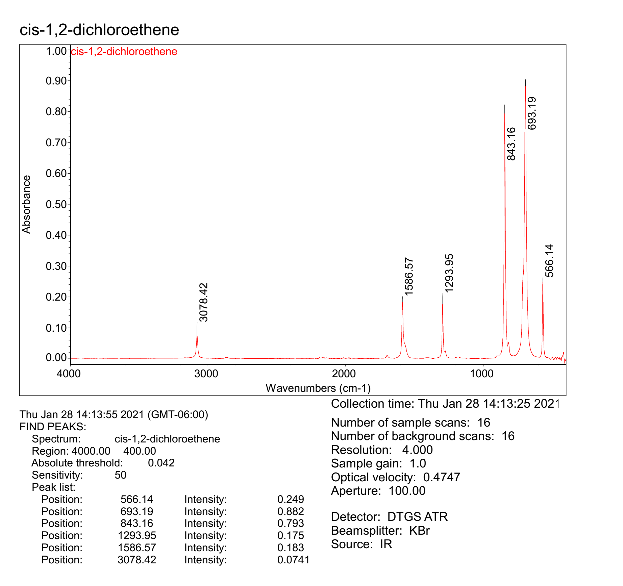
cm-1 | intensity | Nicolet™ iS50 FTIR Spectrometer
399.68 | 0.00
400.16 | -0.01
 | intensity
399.68 | 0.00
400.16 | -0.01
400.65 | -0.01
401.13 | -0.01
401.61 | -0.01
402.09 | -0.01
402.57 | 0.00
403.06 | 0.00
403.54 | -0.01
404.02 | -0.01
404.50 | -0.01
404.98 | -0.01
405.47 | -0.01
405.95 | -0.01
406.43 | -0.02
406.91 | -0.01
407.40 | -0.01
407.88 | -0.01
408.36 | -0.01
408.84 | -0.01
409.32 | -0.01
409.81 | 0.00
410.29 | 0.00
410.77 | 0.00
411.25 | 0.00
411.73 | 0.00
412.22 | 0.00
412.70 | 0.01
413.18 | 0.01
413.66 | 0.01
414.15 | 0.01
414.63 | 0.01
415.11 | 0.02
415.59 | 0.02
416.07 | 0.02
416.56 | 0.02
417.04 | 0.02
417.52 | 0.01
418.00 | 0.01
418.48 | 0.01
418.97 | 0.01
419.45 | 0.01
419.93 | 0.01
420.41 | 0.01
420.89 | 0.01
421.38 | 0.01
421.86 | 0.01
422.34 | 0.01
422.82 | 0.01
423.31 | 0.01
...
400.65 | -0.01
401.13 | -0.01
401.61 | -0.01
402.09 | -0.01
402.57 | 0.00
403.06 | 0.00
403.54 | -0.01
404.02 | -0.01
404.50 | -0.01
404.98 | -0.01
405.47 | -0.01
405.95 | -0.01
406.43 | -0.02
406.91 | -0.01
407.40 | -0.01
407.88 | -0.01
408.36 | -0.01
408.84 | -0.01
409.32 | -0.01
409.81 | 0.00
410.29 | 0.00
410.77 | 0.00
411.25 | 0.00
411.73 | 0.00
412.22 | 0.00
412.70 | 0.01
413.18 | 0.01
413.66 | 0.01
414.15 | 0.01
414.63 | 0.01
415.11 | 0.02
415.59 | 0.02
416.07 | 0.02
416.56 | 0.02
...

